2-axis chart
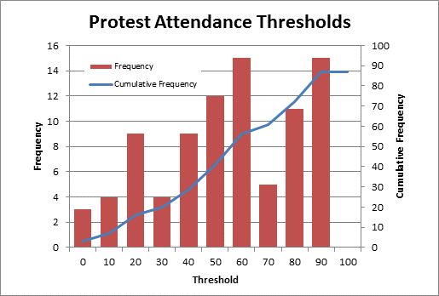
1 | Use the data below
2 | Compute relative frequencies.
 | Threshold | Frequency | Cumulative Frequency
 | 0 | 3 | 3
 | 10 | 4 | 7
 | 20 | 9 | 16
 | 30 | 4 | 20
 | 40 | 9 | 29
 | 50 | 12 | 41
 | 60 | 15 | 56
 | 70 | 5 | 61
 | 80 | 11 | 72
 | 90 | 15 | 87
 | 100 | 0 | 87

3 | Create a histogram (column chart) using Threshold (category) and Frequency (Y)
4 | Delete the Threshold data series and add a data series for Cumulative Frequency.
5 | Select (right click) just this new data series (probably blue bars). Change data series chart type….
6 | Change to plain line chart
7 | Select (right click) just this new data series (probably blue line now). Format data series.
8 | Series Options>Plot data series on SECONDARY AXIS
9 | Select the frequency bars. Right click and Format Data Series.
10 | Series Options>Change "Gap" to 50%
11 | Right click chart>Select Data >Horizontal (category) Axis Labels. Set to the values in the threshold column of the table.

Expected v Actual Chart
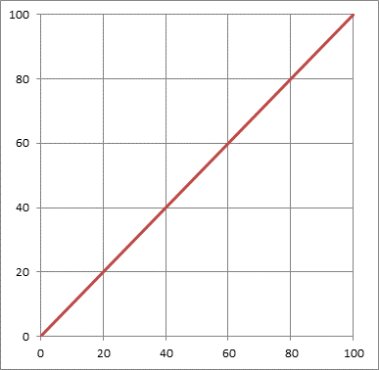
1 | Use the data below
2 | Compute relative frequencies.
 | Threshold | Frequency | Cumulative Frequency
 | 0 | 6
 | 10 | 1
 | 20 | 2
 | 30 | 14
 | 40 | 22
 | 50 | 11
 | 60 | 9
 | 70 | 5
 | 80 | 4
 | 90 | 20
 | 100 | 2

3 | Create XY scatter chart for Threshold (X) and Cumulative Frequency (Y)
4 | Delete legend
5 | Fix X-axis so upper limit is 100.
6 | Adjust formatting per personal taste (e.g., square it up, add vertical grid lines, change major unit on Y-axis to match that of X, etc.).
7 | Add 45 degree line by Select Data>Add Data Series. Name is "45 Degree Line." X values from threshold data and Y values from same.
8 | Series Options>Plot data series on SECONDARY AXIS
9 | Select the frequency bars. Right click and Format Data Series.
10 | Series Options>Change "Gap" to 50%
11 | Right click chart>Select Data >Horizontal (category) Axis Labels. Set to the values in the threshold column of the table.

0172 (KEY)
Use data below
Compute cumulative and make plots
Describe behavior of system
Problem 172

Threshold | Count | Cumulative
0 | 4 | 4
10 | 5 | 9
20 | 8 | 17
30 | 12 | 29
40 | 15 | 44
50 | 16 | 60
60 | 15 | 75
70 | 12 | 87
80 | 8 | 95
90 | 5 | 100
100 | 0 | 100
Problem 172

0173 (KEY)
Problem 173

Threshold | Count | Cumulative
0 | 18 | 18
10 | 12 | 30
20 | 9 | 39
30 | 6 | 45
40 | 4 | 49
50 | 2 | 51
60 | 4 | 55
70 | 6 | 61
80 | 9 | 70
90 | 12 | 82
100 | 18 | 100

Problem 173

0174 (KEY)
Problem 174

Threshold | Count | Cumulative
0 | 16 | 16
10 | 0 | 16
20 | 6 | 22
30 | 16 | 38
40 | 18 | 56
50 | 14 | 70
60 | 10 | 80
70 | 5 | 85
80 | 2 | 87
90 | 0 | 87
100 | 0 | 87

Problem 174

0175 (KEY)
Problem 175

Threshold | Count | Cumulative
0 | 0 | 0
10 | 0 | 0
20 | 10 | 10
30 | 15 | 25
40 | 20 | 45
50 | 15 | 60
60 | 10 | 70
70 | 5 | 75
80 | 2 | 77
90 | 0 | 77
100 | 0 | 77

Problem 175

